Hot Wire
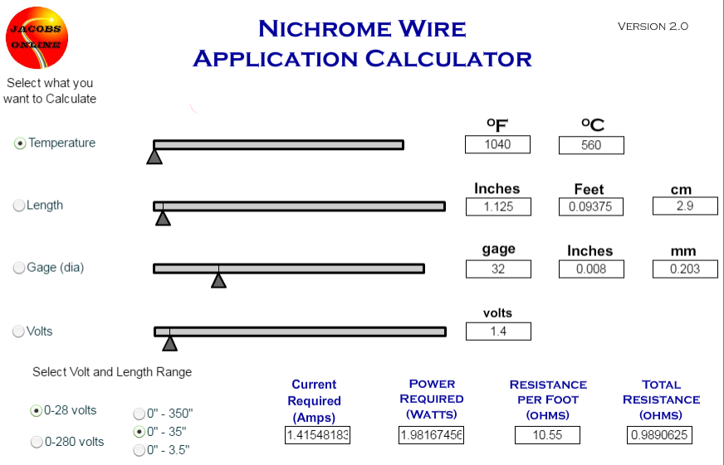
Hot Wire Release Parts
 | RS
FET | 7863788
Battery
Nichrome wire | vapeshop.co.nz/nakedvapour.co.nz
Relay | 680-3593
Resistor

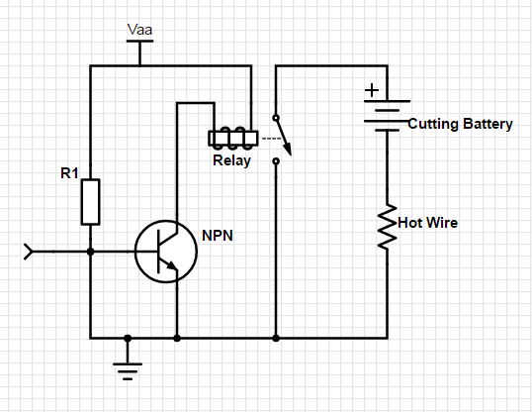

 |  | http://www.jacobs-online.biz/nichrome/NichromeCalc.html

Regulator | LT1767EMS8E-1.8
 | (E14: 2254831)

